How to sortfilter
Unfortunately, this may not work in mobile (may work if you set to Desktop Mode on the browser, or downloading to Google Drive app or even downloading one of the other formats, like XLSX and using the Office app)

When filtering for the stats tab, ensure that it starts from A3, not A1
(If first row moves, it will cause REF errors or other issues)

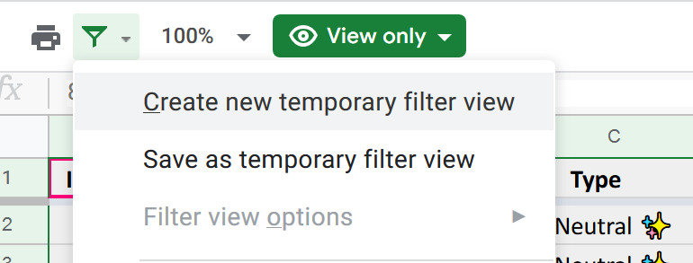
To Filter:
Data > Filter > Temporary Filter | <-- Can also use the Filter icon, which looks like -->
or Data > Create a Filter

This will make a little triangle appear in the columns (shown below)
Click the triangle and you can both sort and/or filter by typing in to the text box
(Note that Column J onwards have some stat combination you can sort with)

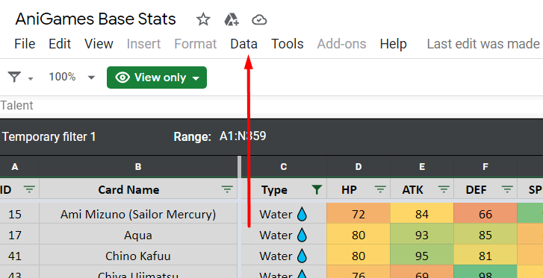
 |  | <-- Thank you Zet for this image
 |  | (How to place a Filter)

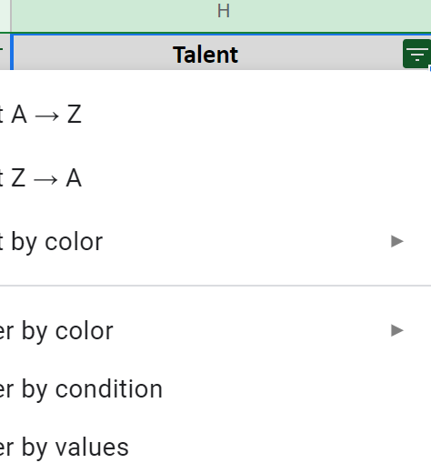
 |  | <-- Using the Filter = click the Triangle

